Sahara screen prints
SAHARA SCREEN SHOTS RELATED TO INSTRUCTIONS
These amounts are used for the SAHARA Total row on the Reconciliation tab, as explained in the Instructions.

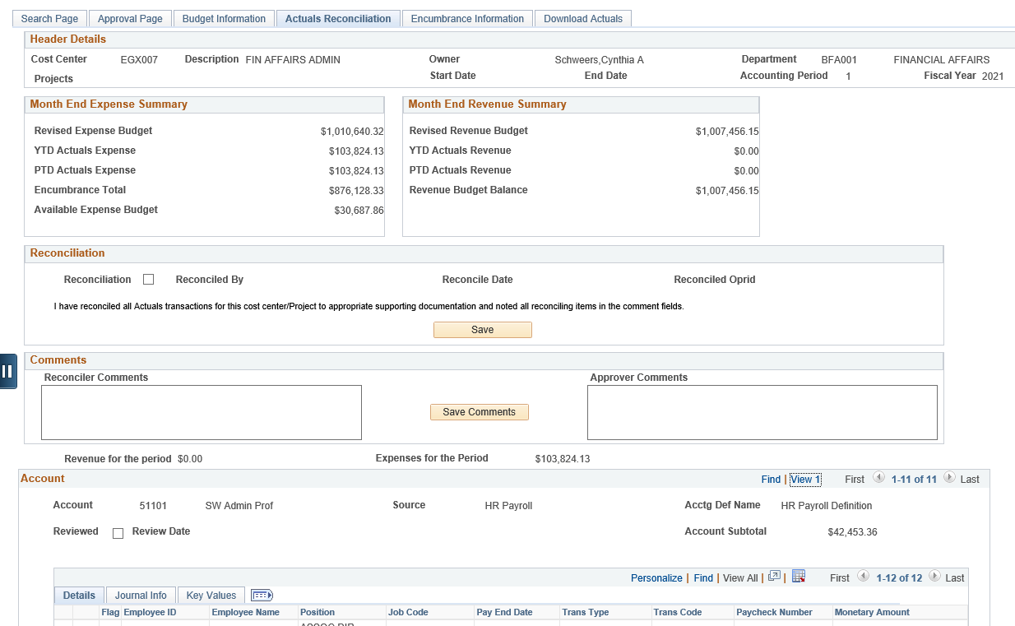

Click here once you've reconciled

The default view will show detail by person for only the account above. Select View All to see detail by person for all accounts.

